BS Mechanical Engineering
 | Note: put N/A for classes that don’t affect GPA |  | Current Term: | 1

Term | Required Classes | Name | Complete? | Grade | Credits | Term | Humanites/Social Science elective requirements | Name | Complete? | Grade | Credits
1 | CHEM 0110 | Chemistry 1 | FALSE | IP | 3 | 1 | ENGCMP 0210 | Technical Writing for Engineers | FALSE | IP | 3
AP Credit | MATH 0220 | Calculus 1 | FALSE |  | 4 | 2 | ENGCMP 0412 | Technical Writing for Engineers | FALSE |  | 3
1 | PHYS 0174 | Physics 1 | FALSE | IP | 4 |  |  |  | FALSE |  | 3
1 | ENGR 0011 | Intro to Engineering Analysis | FALSE | IP | 3 |  |  |  | FALSE |  | 3
1 | ENGR 0081 | Freshman Seminar 1 | FALSE | IP | 0 |  |  |  | FALSE |  | 3
2 | CHEM 0120 | Chemistry 2 | FALSE |  | 3 |  |  |  | FALSE |  | 3
1 | MATH 0230 | Calculus 2 | FALSE | IP | 4
2 | PHYS 0175 | Physics 2 | FALSE |  | 4 |  | Breadth Requirement? | Depth Requirement?
2 | ENGR 0012 | Engineering Analysis and Computing | FALSE |  | 3 |  | FALSE | TRUE
2 | ENGR 0082 | Freshman Seminar 2 | FALSE |  | 0
2 | MATH 0240 | Calculus 3 | FALSE |  | 4 | Term | Other | Name | Complete? | Grade | Credits
2 | MATH 0280 | Linear Algebra | FALSE |  | 3 |  | Open Elective |  | FALSE |  | 3
3 | ENGR 0022 | Mater. Struct. & Properties | FALSE |  | 3 |  |  |  | FALSE
3 | ENGR 0135 | Statics 1 | FALSE |  | 3 |  |  |  | FALSE
3 | MEMS 0024 | Intro to ME Design | FALSE |  | 3
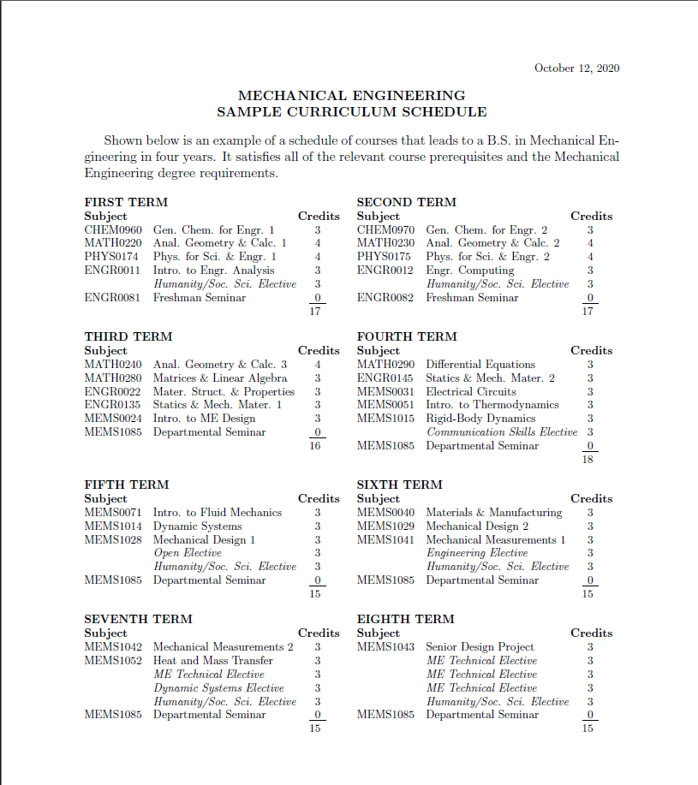
3 | MATH 0290 | Differential Equations | FALSE |  | 3
Any | ENGR 0145 | Statics 2 | FALSE |  | 3
Spring, Summer | MEMS 0031 | Electrical Circuts | FALSE |  | 3
Spring, Summer | MEMS 0051 | Intro to Thermodynamics | FALSE |  | 3
Spring, Summer | MEMS 1015 | Rigid-Body Dynamics | FALSE |  | 3
Fall, Spring | MEMS 0071 | Intro to Fluid Mechanics | FALSE |  | 3
Fall, Spring | MEMS 1014 | Dynamic Systems | FALSE |  | 3
Fall, Spring | MEMS 1028 | Mechanical Design 1 | FALSE |  | 3
Spring, Summer | MEMS 0040 | Materials & Manufacturing | FALSE |  | 3
Spring, Summer | MEMS 1029 | Mechanical Design 2 | FALSE |  | 3
Fall, Spring | MEMS 1041 | Mechanical Measurements 1 | FALSE |  | 3
Any | MEMS 1042 | Mechanical Measurements 2 | FALSE |  | 3
Fall, Summer | MEMS 1052 | Heat and Mass Transfer | FALSE |  | 3
Any | MEMS 1043 | Senior Design | FALSE |  | 3

Term | Elective | Name | Complete? | Grade | Credits
 | Engineering Elective |  | FALSE |  | 3
 | Dynamic Systems Elective |  | FALSE |  | 3
 | ME Technical Elective |  | FALSE |  | 3
 | ME Technical Elective |  | FALSE |  | 3
 | ME Technical Elective |  | FALSE |  | 3
 | ME Technical Elective |  | FALSE |  | 3

